Dummydata
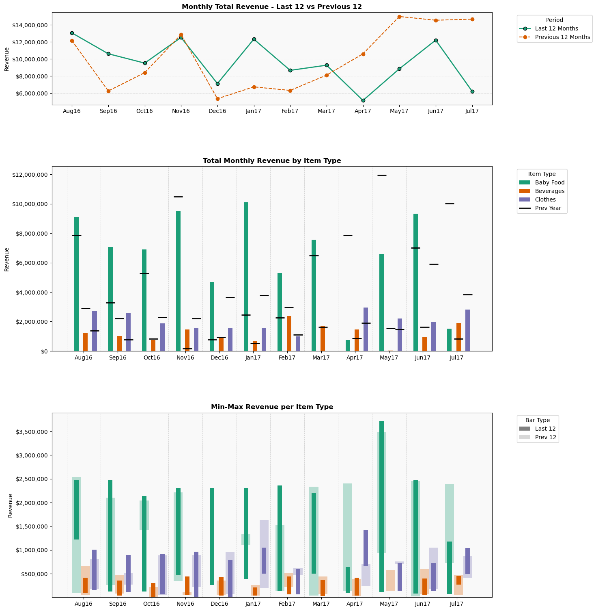
Order Date | Item Type | Revenue
2010-01-01 | Baby Food | $2,391,207.76
2010-01-01 | Beverages | $411,201.70
2010-01-02 | Beverages | $214,331.65
2010-01-03 | Beverages | $765,321.05
2010-01-03 | Clothes | $34,204.64
2010-01-08 | Clothes | $1,076,517.28
2010-01-10 | Clothes | $438,322.08
2010-01-11 | Baby Food | $1,592,436.64
2010-01-12 | Clothes | $627,485.76
2010-01-13 | Beverages | $152,978.80
2010-01-16 | Baby Food | $2,148,947.04
2010-01-18 | Baby Food | $385,217.52
2010-01-18 | Beverages | $81,519.10
2010-01-20 | Clothes | $1,033,023.84
2010-01-22 | Beverages | $208,685.10
2010-01-23 | Beverages | $36,299.25
2010-01-24 | Clothes | $864,295.52
2010-01-29 | Baby Food | $2,485,916.64
2010-01-30 | Beverages | $255,802.95
2010-02-05 | Baby Food | $2,428,478.64
2010-02-10 | Baby Food | $1,272,060.24
2010-02-10 | Clothes | $130,917.44
2010-02-11 | Baby Food | $634,626.08
2010-02-15 | Beverages | $245,126.70
2010-02-17 | Baby Food | $1,923,024.24
2010-02-20 | Beverages | $419,932.50
2010-02-24 | Clothes | $229,050.88
2010-03-01 | Beverages | $121,661.80
2010-03-02 | Clothes | $976,526.08
2010-03-04 | Beverages | $146,715.40
2010-03-08 | Beverages | $137,984.60
2010-03-12 | Clothes | $953,795.84
2010-03-16 | Baby Food | $1,744,328.24
2010-03-17 | Beverages | $395,590.65
2010-03-17 | Clothes | $200,419.52
2010-03-27 | Beverages | $67,141.75
2010-04-03 | Beverages | $124,129.20
2010-04-05 | Baby Food | $88,582.16
2010-04-05 | Clothes | $1,076,517.28
2010-04-09 | Baby Food | $1,774,706.56
2010-04-11 | Beverages | $100,356.75
2010-04-16 | Beverages | $234,497.90
2010-04-18 | Clothes | $728,569.76
2010-04-23 | Baby Food | $564,168.80
2010-04-27 | Baby Food | $61,522.48
2010-04-29 | Baby Food | $904,712.32
2010-05-02 | Baby Food | $564,168.80
2010-05-02 | Beverages | $84,698.25
2010-05-04 | Clothes | $672,399.84
2010-05-11 | Clothes | $819,600.00
2010-05-18 | Beverages | $219,503.70
2010-05-21 | Beverages | $359,908.25
2010-05-26 | Baby Food | $1,235,555.20
2010-06-06 | Baby Food | $328,034.80
2010-06-15 | Beverages | $328,591.25
2010-06-16 | Clothes | $844,188.00
2010-06-18 | Beverages | $718,630.25
2010-06-19 | Baby Food | $1,083,408.32
2010-06-26 | Baby Food | $3,310,471.04
2010-06-26 | Beverages | $75,350.60
2010-06-26 | Clothes | $181,732.64
2010-06-30 | Baby Food | $1,727,735.04
2010-06-30 | Beverages | $482,851.20
2010-07-03 | Clothes | $874,677.12
2010-07-09 | Clothes | $981,334.40
2010-07-10 | Beverages | $317,915.00
2010-07-13 | Baby Food | $1,498,493.60
2010-07-19 | Baby Food | $800,302.80
2010-07-23 | Clothes | $401,057.60
2010-07-27 | Baby Food | $2,203,576.96
2010-07-30 | Baby Food | $1,205,176.88
2010-08-04 | Baby Food | $68,415.04
2010-08-05 | Baby Food | $1,711,141.84
2010-08-10 | Beverages | $184,438.15
2010-08-10 | Clothes | $627,813.60
2010-08-11 | Baby Food | $2,307,731.20
2010-08-11 | Clothes | $292,870.40
2010-08-12 | Clothes | $618,961.92
2010-08-13 | Baby Food | $524,345.12
2010-08-14 | Clothes | $841,565.28
2010-08-15 | Beverages | $152,504.30
2010-08-18 | Baby Food | $753,586.56
2010-08-18 | Beverages | $14,519.70
2010-08-19 | Beverages | $377,464.75
2010-08-19 | Clothes | $151,352.80
2010-08-20 | Baby Food | $247,366.32
2010-08-20 | Clothes | $519,626.40
2010-08-25 | Clothes | $750,535.04
2010-08-28 | Beverages | $42,135.60
2010-09-01 | Baby Food | $800,558.08
2010-09-03 | Clothes | $977,181.76
2010-09-07 | Baby Food | $2,436,392.32
2010-09-09 | Baby Food | $2,021,307.04
2010-09-09 | Beverages | $277,250.35
2010-09-10 | Clothes | $1,076,845.12
2010-09-12 | Beverages | $773,862.05
2010-09-13 | Baby Food | $1,444,629.52
2010-09-13 | Beverages | $146,857.75
2010-09-18 | Baby Food | $1,383,872.88
2010-09-19 | Baby Food | $2,078,489.76
2010-09-20 | Baby Food | $146,530.72
2010-09-25 | Baby Food | $1,380,554.24
2010-09-26 | Beverages | $53,428.70
2010-09-27 | Baby Food | $180,482.96
2010-09-29 | Beverages | $146,193.45
2010-09-30 | Clothes | $977,181.76
2010-10-01 | Clothes | $298,880.80
2010-10-03 | Beverages | $469,660.10
2010-10-03 | Clothes | $168,728.32
2010-10-05 | Baby Food | $1,016,524.96
2010-10-05 | Clothes | $21,528.16
2010-10-06 | Beverages | $474,025.50
2010-10-07 | Clothes | $531,210.08
2010-10-08 | Clothes | $1,062,310.88
2010-10-11 | Clothes | $394,063.68
2010-10-12 | Beverages | $218,981.75
2010-10-13 | Baby Food | $1,306,523.04
2010-10-22 | Clothes | $294,400.32
2010-10-24 | Baby Food | $1,330,008.80
2010-10-28 | Baby Food | $736,993.36
2010-10-28 | Beverages | $157,486.55
2010-10-28 | Clothes | $728,897.60
2010-10-31 | Beverages | $287,262.30
2010-11-03 | Beverages | $24,009.70
2010-11-05 | Clothes | $689,884.64
2010-11-07 | Clothes | $1,081,325.60
2010-11-08 | Baby Food | $359,178.96
2010-11-10 | Clothes | $163,155.04
2010-11-11 | Clothes | $109,717.12
2010-11-14 | Clothes | $658,302.72
2010-11-17 | Beverages | $341,165.50
2010-11-17 | Clothes | $645,298.40
2010-11-19 | Baby Food | $763,797.76
2010-11-23 | Baby Food | $4,225,649.84
2010-11-28 | Baby Food | $1,640,939.84
2010-11-30 | Beverages | $451,534.20
2010-12-03 | Beverages | $262,873.00
2010-12-06 | Beverages | $267,238.40
2010-12-12 | Baby Food | $1,534,743.36
2010-12-12 | Beverages | $347,476.35
2010-12-21 | Baby Food | $2,527,527.28
2010-12-24 | Baby Food | $2,004,713.84
2010-12-27 | Beverages | $373,763.65
2010-12-30 | Baby Food | $2,217,362.08
2011-01-02 | Clothes | $1,061,218.08
2011-01-06 | Beverages | $228,376.85
2011-01-07 | Clothes | $66,551.52
2011-01-08 | Beverages | $401,996.40
2011-01-13 | Baby Food | $2,430,010.32
2011-01-13 | Beverages | $444,606.50
2011-01-14 | Beverages | $316,159.35
2011-01-14 | Clothes | $924,071.68
2011-01-15 | Baby Food | $1,903,878.24
2011-01-21 | Baby Food | $1,040,776.56
2011-01-21 | Clothes | $164,684.96
2011-01-23 | Baby Food | $1,647,832.40
2011-01-24 | Baby Food | $137,085.36
2011-01-25 | Baby Food | $2,544,631.04
2011-01-29 | Beverages | $359,386.30
2011-01-31 | Beverages | $234,640.25
2011-02-03 | Beverages | $351,319.80
2011-02-04 | Beverages | $182,018.20
2011-02-06 | Clothes | $7,431.04
2011-02-09 | Beverages | $197,676.70
2011-02-10 | Baby Food | $1,812,743.28
2011-02-13 | Beverages | $402,660.70
2011-02-15 | Baby Food | $473,799.68
2011-02-16 | Beverages | $247,878.80
2011-02-17 | Clothes | $672,836.96
2011-02-26 | Clothes | $1,018,052.48
2011-03-07 | Baby Food | $1,632,770.88
2011-03-08 | Clothes | $1,041,110.56
2011-03-20 | Beverages | $297,416.60
2011-03-20 | Clothes | $888,009.28
2011-03-22 | Baby Food | $1,404,805.84
2011-03-25 | Clothes | $798,399.68
2011-03-28 | Beverages | $300,500.85
2011-03-28 | Clothes | $902,434.24
2011-03-29 | Baby Food | $1,145,186.08
2011-04-04 | Clothes | $550,115.52
2011-04-06 | Baby Food | $396,705.12
2011-04-07 | Clothes | $1,075,643.04
2011-04-09 | Baby Food | $602,460.80
2011-04-11 | Clothes | $72,452.64
2011-04-17 | Beverages | $132,005.90
2011-04-22 | Beverages | $222,208.35
2011-04-23 | Clothes | $247,191.36
2011-04-24 | Baby Food | $2,056,025.12
2011-04-29 | Beverages | $89,395.80
2011-04-30 | Beverages | $211,579.55
2011-05-04 | Baby Food | $1,401,997.76
2011-05-04 | Beverages | $189,610.20
2011-05-06 | Baby Food | $1,661,617.52
2011-05-08 | Baby Food | $208,053.20
2011-05-10 | Beverages | $86,786.05
2011-05-11 | Baby Food | $541,704.16
2011-05-13 | Beverages | $423,443.80
2011-05-14 | Baby Food | $1,421,909.60
2011-05-14 | Clothes | $609,563.84
2011-05-15 | Beverages | $41,139.15
2011-05-18 | Beverages | $208,495.30
2011-05-18 | Clothes | $1,029,964.00
2011-05-19 | Clothes | $652,729.44
2011-05-21 | Clothes | $1,013,572.00
2011-05-22 | Baby Food | $1,604,434.80
2011-05-25 | Beverages | $356,966.35
2011-05-28 | Clothes | $1,470,034.56
2011-05-29 | Clothes | $224,133.28
2011-05-30 | Baby Food | $562,381.84
2011-06-02 | Clothes | $235,607.68
2011-06-04 | Beverages | $401,521.90
2011-06-05 | Beverages | $313,739.40
2011-06-06 | Beverages | $59,834.45
2011-06-10 | Beverages | $105,671.15
2011-06-10 | Clothes | $492,524.96
2011-06-21 | Baby Food | $261,917.28
2011-06-25 | Clothes | $864,951.20
2011-06-26 | Baby Food | $2,551,778.88
2011-06-28 | Clothes | $618,087.68
2011-06-30 | Baby Food | $646,624.24
2011-07-01 | Baby Food | $2,252,080.16
2011-07-01 | Clothes | $1,295,732.96
2011-07-03 | Clothes | $505,529.28
2011-07-05 | Beverages | $169,586.30
2011-07-10 | Baby Food | $1,395,105.20
2011-07-11 | Baby Food | $1,890,858.96
2011-07-20 | Beverages | $219,124.10
2011-07-22 | Clothes | $990,623.20
2011-07-25 | Beverages | $109,372.25
2011-07-25 | Clothes | $1,071,599.68
2011-07-28 | Clothes | $410,346.40
2011-07-30 | Clothes | $537,439.04
2011-07-31 | Clothes | $694,692.96
2011-08-02 | Beverages | $88,731.50
2011-08-09 | Clothes | $101,411.84
2011-08-10 | Clothes | $86,986.88
2011-08-17 | Baby Food | $653,516.80
2011-08-18 | Baby Food | $1,294,269.60
2011-08-19 | Baby Food | $367,092.64
2011-08-21 | Baby Food | $1,301,162.16
2011-08-22 | Beverages | $100,024.60
2011-08-23 | Clothes | $676,115.36
2011-08-24 | Baby Food | $852,379.92
2011-08-27 | Clothes | $827,686.72
2011-08-30 | Beverages | $123,275.10
2011-09-01 | Clothes | $199,545.28
2011-09-03 | Beverages | $202,848.75
2011-09-04 | Beverages | $281,283.60
2011-09-06 | Baby Food | $2,137,459.44
2011-09-08 | Baby Food | $1,702,462.32
2011-09-09 | Clothes | $831,839.36
2011-09-12 | Beverages | $226,716.10
2011-09-14 | Clothes | $133,430.88
2011-09-16 | Clothes | $237,137.60
2011-09-18 | Beverages | $371,486.05
2011-09-18 | Clothes | $1,089,084.48
2011-09-19 | Baby Food | $1,415,782.88
2011-09-22 | Baby Food | $619,819.84
2011-09-24 | Beverages | $187,190.25
2011-09-25 | Clothes | $759,714.56
2011-09-26 | Baby Food | $1,156,163.12
2011-09-27 | Beverages | $205,411.05
2011-10-05 | Beverages | $76,299.60
2011-10-06 | Clothes | $1,081,653.44
2011-10-08 | Baby Food | $306,336.00
2011-10-10 | Beverages | $362,755.25
2011-10-10 | Clothes | $195,501.92
2011-10-14 | Baby Food | $1,449,735.12
2011-10-17 | Beverages | $260,595.40
2011-10-18 | Baby Food | $565,955.76
2011-10-22 | Clothes | $674,585.44
2011-10-24 | Beverages | $253,050.85
2011-10-24 | Clothes | $637,102.40
2011-10-26 | Beverages | $165,885.20
2011-10-27 | Baby Food | $565,955.76
2011-10-30 | Baby Food | $2,468,302.32
2011-10-30 | Clothes | $775,669.44
2011-11-03 | Baby Food | $1,564,355.84
2011-11-03 | Beverages | $131,483.95
2011-11-04 | Beverages | $233,643.80
2011-11-09 | Clothes | $206,976.32
2011-11-11 | Clothes | $856,755.20
2011-11-15 | Baby Food | $458,227.60
2011-11-19 | Baby Food | $175,122.08
2011-11-19 | Clothes | $824,736.16
2011-11-22 | Beverages | $586,434.55
2011-11-27 | Beverages | $425,389.25
2011-11-28 | Clothes | $504,327.20
2011-12-01 | Clothes | $46,771.84
2011-12-02 | Clothes | $383,135.68
2011-12-03 | Clothes | $9,288.80
2011-12-04 | Clothes | $564,977.60
2011-12-05 | Beverages | $459,268.55
2011-12-08 | Clothes | $551,208.32
2011-12-09 | Baby Food | $1,804,063.76
2011-12-14 | Beverages | $303,205.50
2011-12-18 | Clothes | $850,744.80
2011-12-20 | Beverages | $662,259.65
2011-12-20 | Clothes | $391,768.80
2011-12-22 | Clothes | $713,598.40
2011-12-23 | Clothes | $175,394.40
2011-12-24 | Baby Food | $1,689,443.04
2011-12-28 | Baby Food | $2,444,816.56
2011-12-28 | Clothes | $781,679.84
2011-12-31 | Baby Food | $1,028,523.12
2012-01-02 | Beverages | $243,038.90
2012-01-06 | Clothes | $710,975.68
2012-01-07 | Baby Food | $1,736,414.56
2012-01-10 | Baby Food | $1,159,737.04
2012-01-10 | Beverages | $90,155.00
2012-01-12 | Beverages | $239,954.65
2012-01-13 | Clothes | $990,951.04
2012-01-15 | Baby Food | $768,903.36
2012-01-17 | Beverages | $238,673.50
2012-01-17 | Clothes | $409,144.32
2012-01-19 | Beverages | $130,867.10
2012-01-22 | Clothes | $381,715.04
2012-01-23 | Baby Food | $201,926.48
2012-02-05 | Baby Food | $539,661.92
2012-02-07 | Beverages | $290,773.60
2012-02-08 | Clothes | $1,496,698.88
2012-02-13 | Beverages | $69,514.25
2012-02-15 | Clothes | $247,519.20
2012-02-16 | Beverages | $192,314.85
2012-02-17 | Clothes | $38,248.00
2012-02-22 | Baby Food | $1,065,794.00
2012-02-24 | Clothes | $770,096.16
2012-02-26 | Beverages | $298,223.25
2012-03-01 | Baby Food | $2,603,345.44
2012-03-01 | Clothes | $237,465.44
2012-03-04 | Clothes | $1,083,401.92
2012-03-12 | Clothes | $536,346.24
2012-03-15 | Clothes | $608,471.04
2012-03-16 | Baby Food | $1,079,068.56
2012-03-16 | Beverages | $359,718.45
2012-03-17 | Baby Food | $2,374,359.28
2012-03-20 | Beverages | $466,243.70
2012-03-22 | Beverages | $338,413.40
2012-03-23 | Clothes | $881,233.92
2012-03-24 | Beverages | $54,472.60
2012-03-25 | Baby Food | $1,406,337.52
2012-03-28 | Clothes | $214,407.36
2012-03-30 | Clothes | $1,067,447.04
2012-04-02 | Beverages | $420,549.35
2012-04-02 | Clothes | $695,020.80
2012-04-05 | Beverages | $207,973.35
2012-04-08 | Baby Food | $67,393.92
2012-04-08 | Clothes | $325,545.12
2012-04-10 | Baby Food | $910,583.76
2012-04-11 | Clothes | $16,719.84
2012-04-12 | Baby Food | $897,564.48
2012-04-12 | Clothes | $758,621.76
2012-04-16 | Beverages | $246,218.05
2012-04-19 | Baby Food | $510.56
2012-04-19 | Beverages | $166,027.55
2012-04-20 | Baby Food | $860,038.32
2012-04-24 | Beverages | $107,094.65
2012-04-24 | Clothes | $699,501.28
2012-04-25 | Clothes | $653,385.12
2012-04-29 | Clothes | $1,563,578.24
2012-05-02 | Baby Food | $2,050,664.24
2012-05-02 | Beverages | $325,222.30
2012-05-04 | Beverages | $127,782.85
2012-05-06 | Baby Food | $910,583.76
2012-05-07 | Clothes | $929,207.84
2012-05-09 | Clothes | $774,576.64
2012-05-11 | Baby Food | $2,034,071.04
2012-05-11 | Beverages | $113,405.50
2012-05-15 | Beverages | $552,175.65
2012-05-16 | Beverages | $68,233.10
2012-05-17 | Clothes | $836,647.68
2012-05-18 | Baby Food | $3,787,844.64
2012-05-19 | Baby Food | $718,613.20
2012-05-20 | Clothes | $784,630.40
2012-05-26 | Baby Food | $1,244,745.28
2012-05-26 | Clothes | $353,083.68
2012-05-29 | Clothes | $699,501.28
2012-05-30 | Baby Food | $1,234,278.80
2012-06-01 | Clothes | $194,299.84
2012-06-05 | Beverages | $18,173.35
2012-06-06 | Baby Food | $3,737,299.20
2012-06-08 | Beverages | $134,710.55
2012-06-10 | Baby Food | $2,205,874.48
2012-06-12 | Clothes | $555,251.68
2012-06-13 | Baby Food | $752,565.44
2012-06-14 | Baby Food | $462,312.08
2012-06-15 | Baby Food | $2,526,250.88
2012-06-22 | Baby Food | $752,565.44
2012-06-25 | Baby Food | $1,706,802.08
2012-07-05 | Beverages | $409,256.25
2012-07-08 | Baby Food | $2,081,042.56
2012-07-14 | Beverages | $257,036.65
2012-07-17 | Baby Food | $2,283,224.32
2012-07-18 | Clothes | $1,370,371.20
2012-07-23 | Beverages | $223,157.35
2012-07-23 | Clothes | $691,960.96
2012-07-24 | Beverages | $687,597.95
2012-07-25 | Beverages | $261,402.05
2012-07-26 | Beverages | $251,390.10
2012-07-30 | Beverages | $320,951.80
2012-07-31 | Beverages | $124,698.60
2012-08-03 | Baby Food | $4,125,324.80
2012-08-04 | Beverages | $7,544.55
2012-08-07 | Beverages | $52,716.95
2012-08-09 | Baby Food | $4,658,604.72
2012-08-11 | Baby Food | $91,645.52
2012-08-11 | Beverages | $362,897.60
2012-08-14 | Clothes | $994,229.44
2012-08-16 | Baby Food | $155,976.08
2012-08-16 | Clothes | $535,144.16
2012-08-21 | Clothes | $321,501.76
2012-08-24 | Beverages | $462,637.50
2012-08-27 | Beverages | $240,097.00
2012-08-30 | Baby Food | $2,246,719.28
2012-08-30 | Beverages | $142,919.40
2012-09-01 | Baby Food | $938,154.00
2012-09-02 | Clothes | $519,189.28
2012-09-03 | Beverages | $46,406.10
...

